EVD_FIN04-01 (Della)
Test Case ID | FIN04-01
Test Case Summary | - Lakukan Entry Allocation dari Cashier Transaction - Auto Allocation

Step # | Test Evidence | Re-Test Evidence (if found Bug/Issue)
1
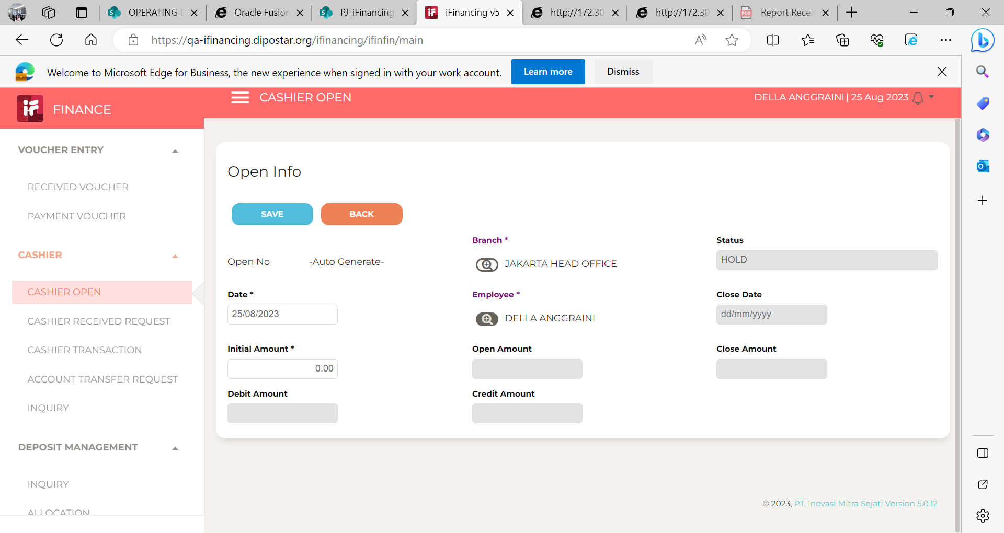

2
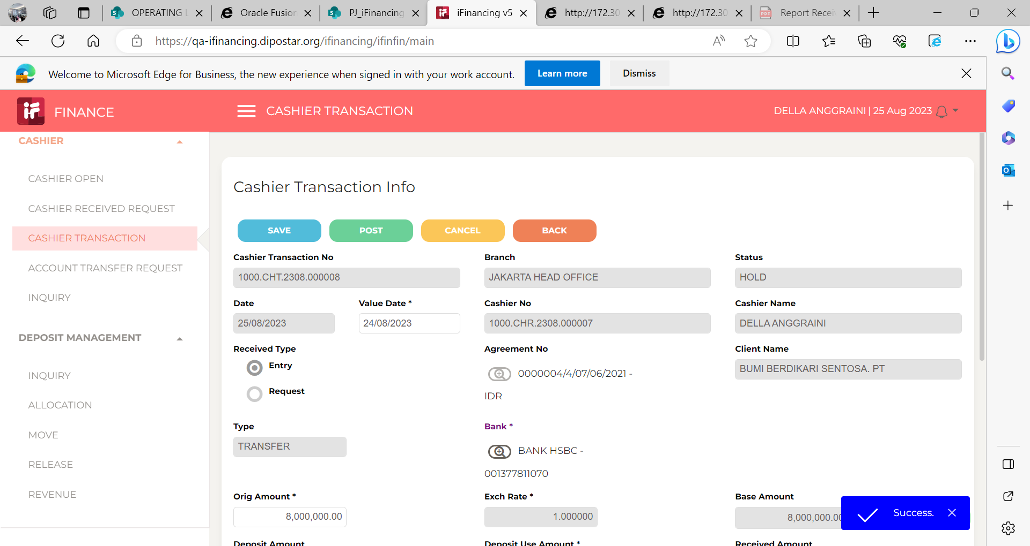

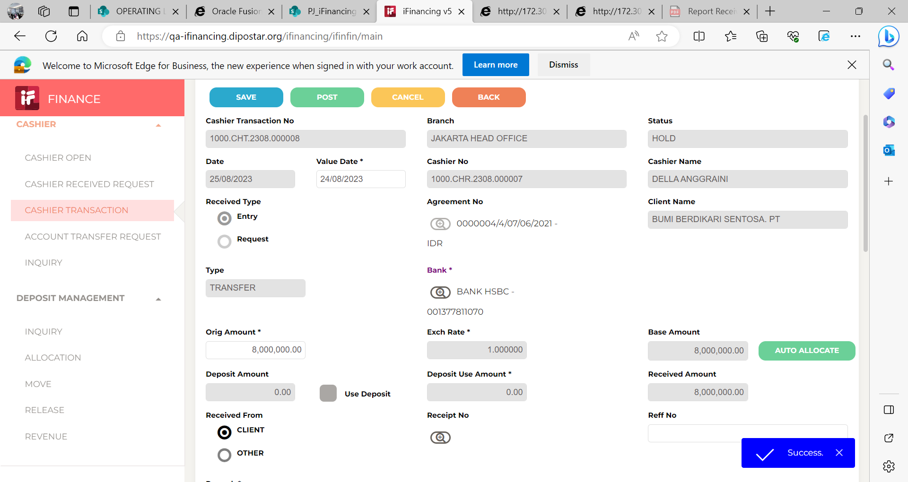
3

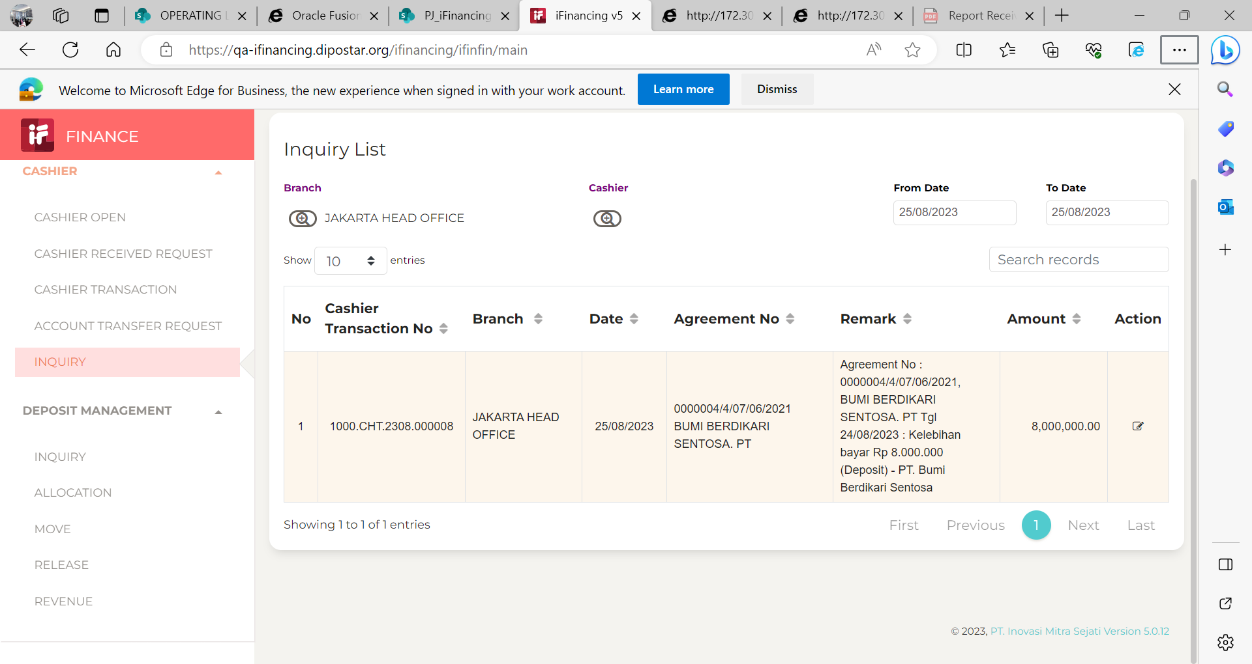
4

5

6

7

EVD_FIN04-01 (HA 14Sep)
Test Case ID | FIN04-01
Test Case Summary | - Lakukan Entry Allocation dari Cashier Transaction - Auto Allocation

Step # | Test Evidence | Re-Test Evidence (if found Bug/Issue)
1

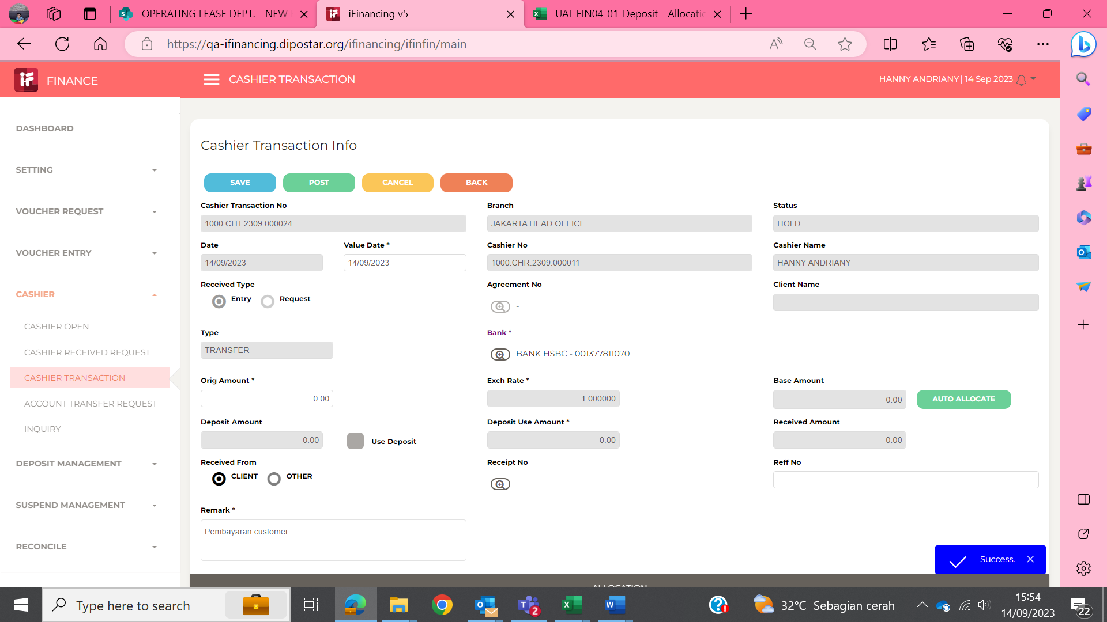

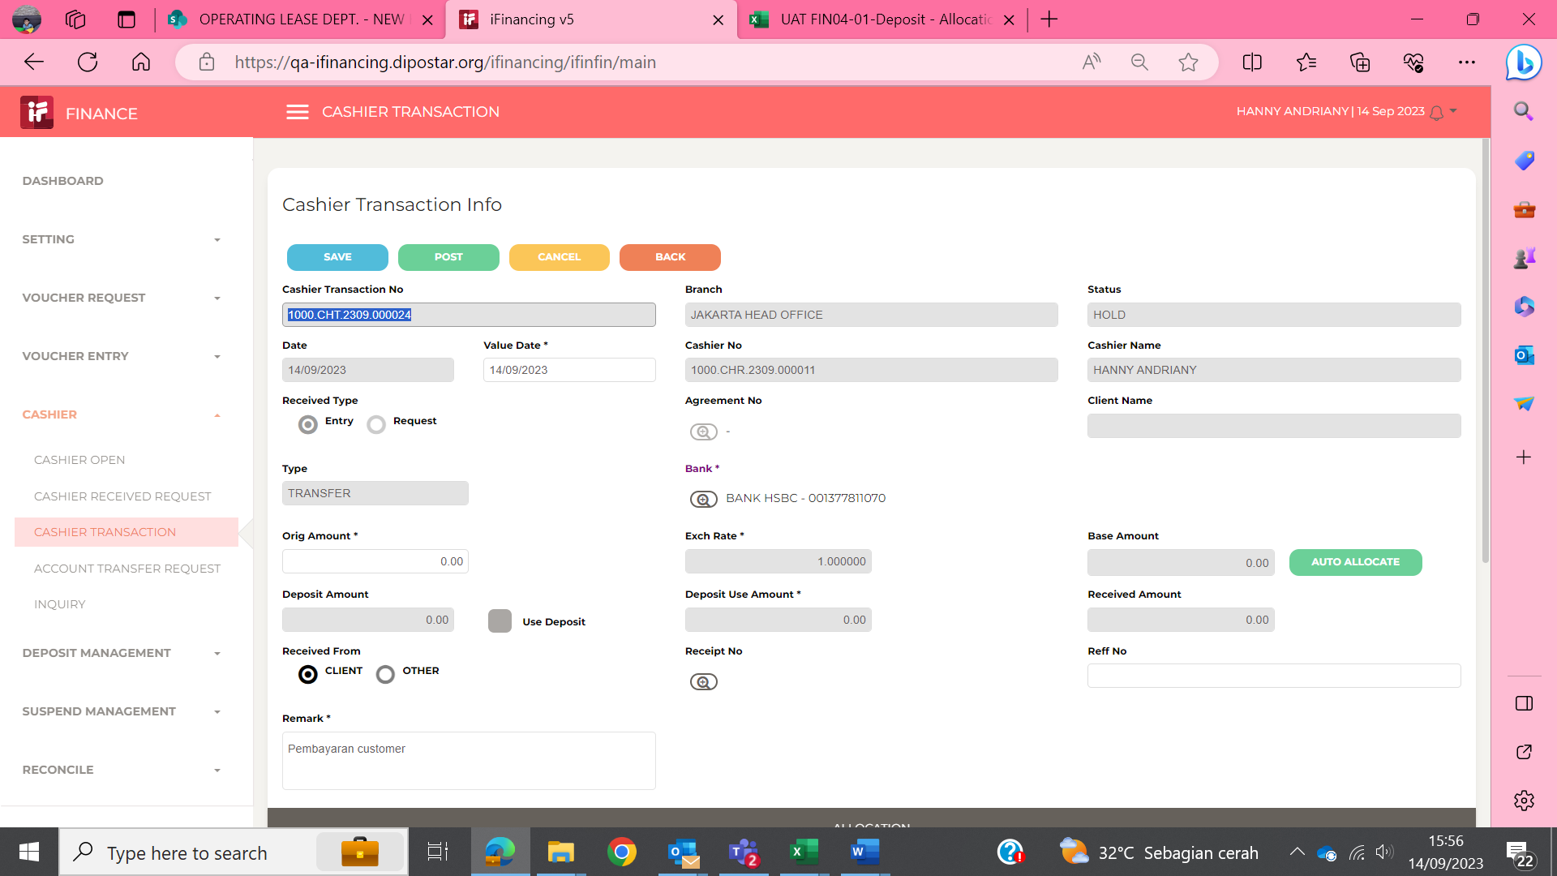
2

3
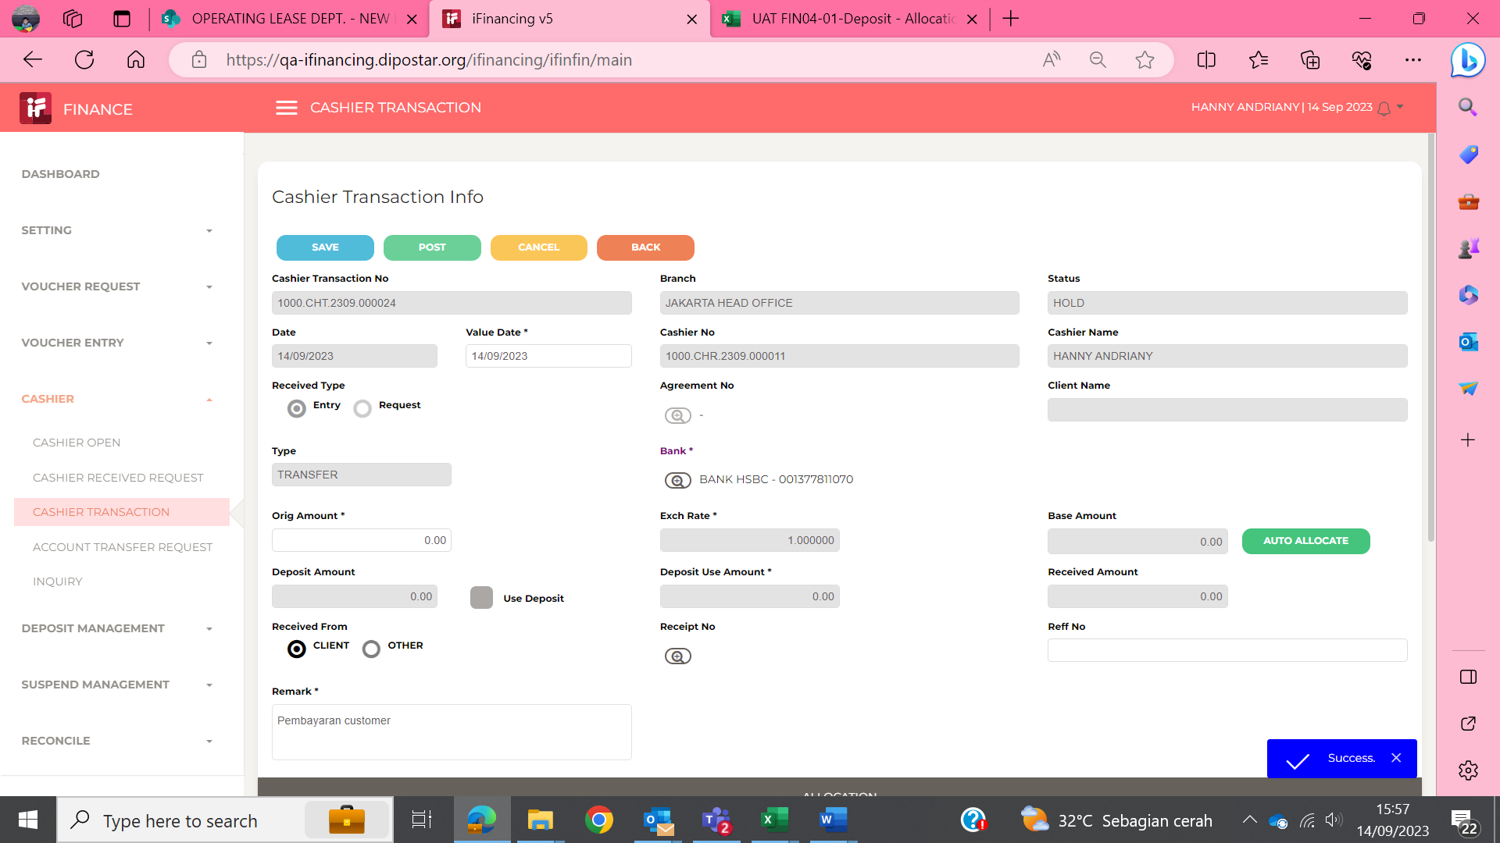

4
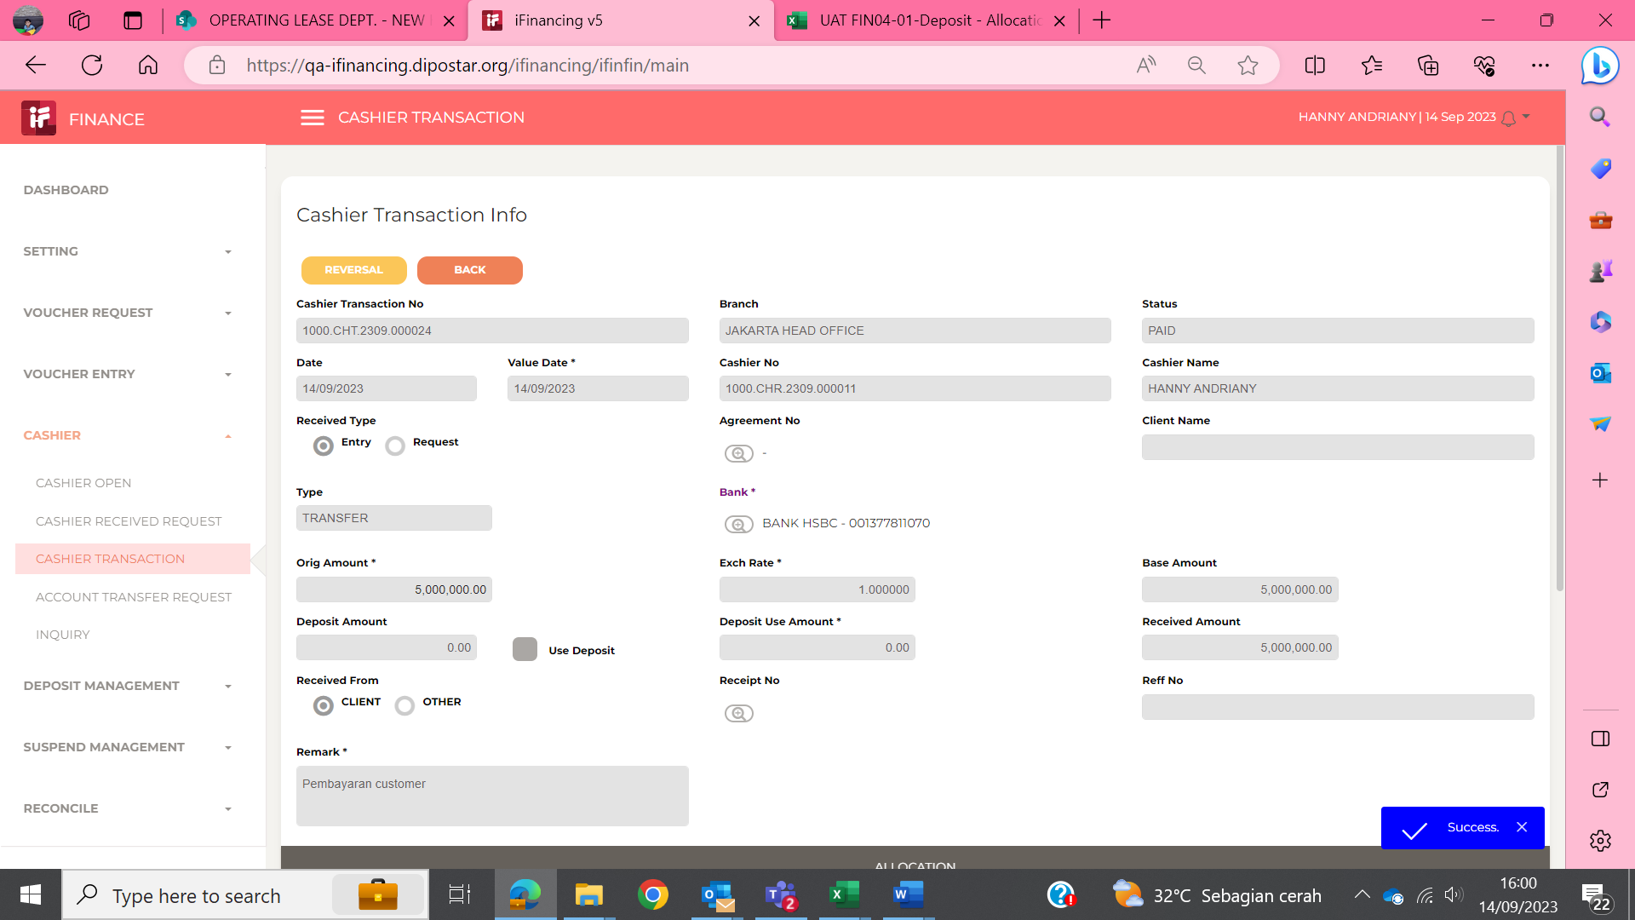

5
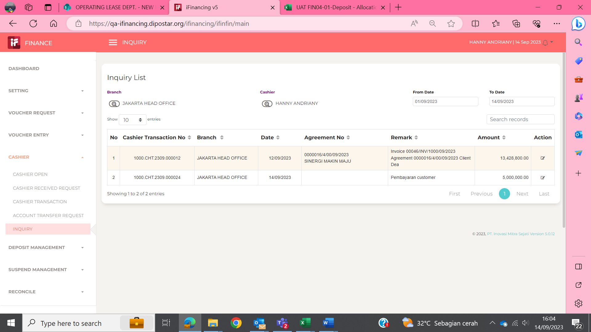

6

7

EVD_FIN04-01 (HA 18Sep)
Test Case ID | FIN04-01
Test Case Summary | - Lakukan Entry Allocation dari Cashier Transaction - Auto Allocation

Step # | Test Evidence | Re-Test Evidence (if found Bug/Issue)
1
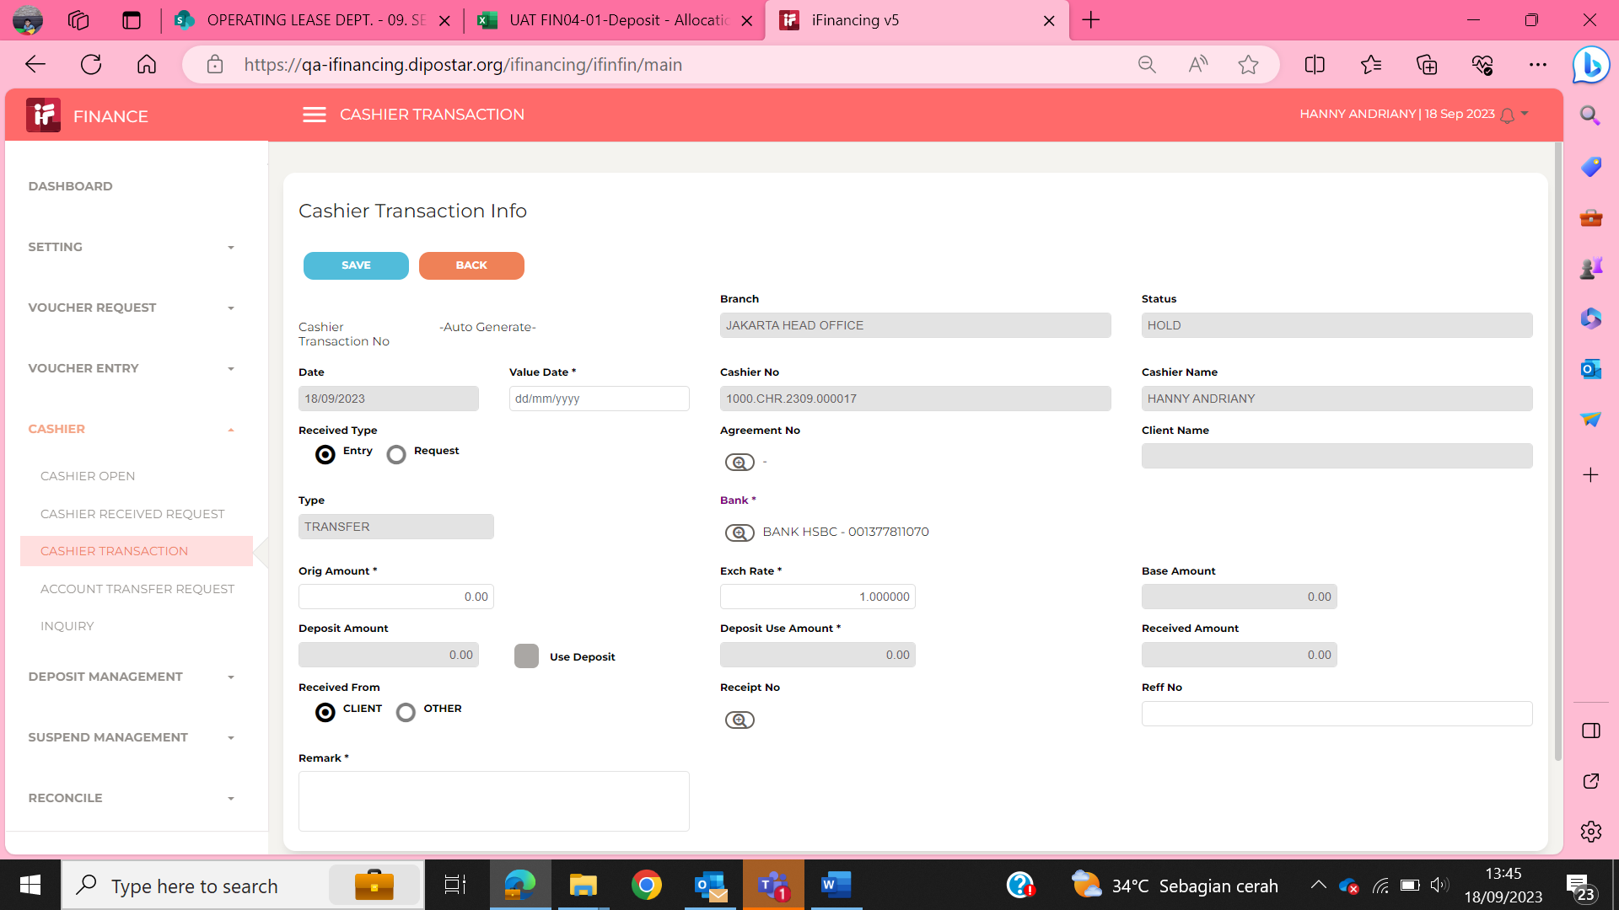

2

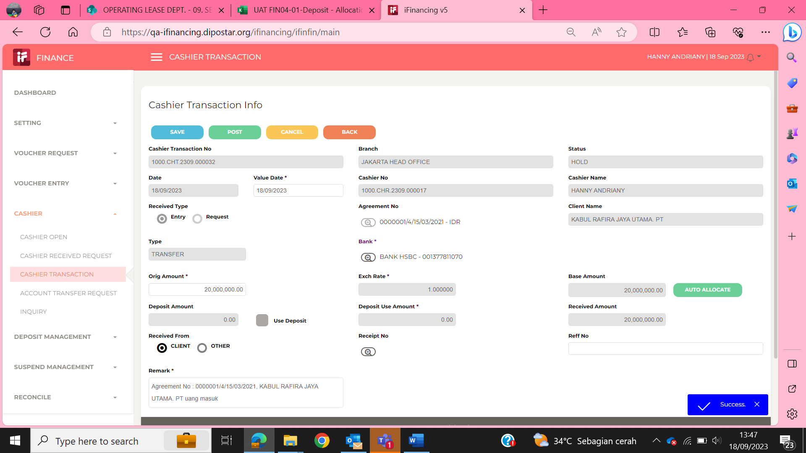

3

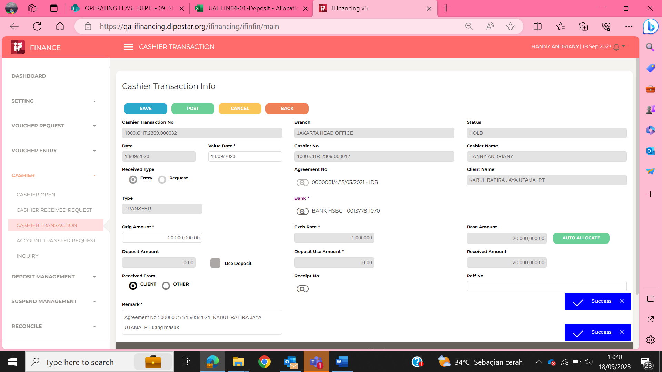

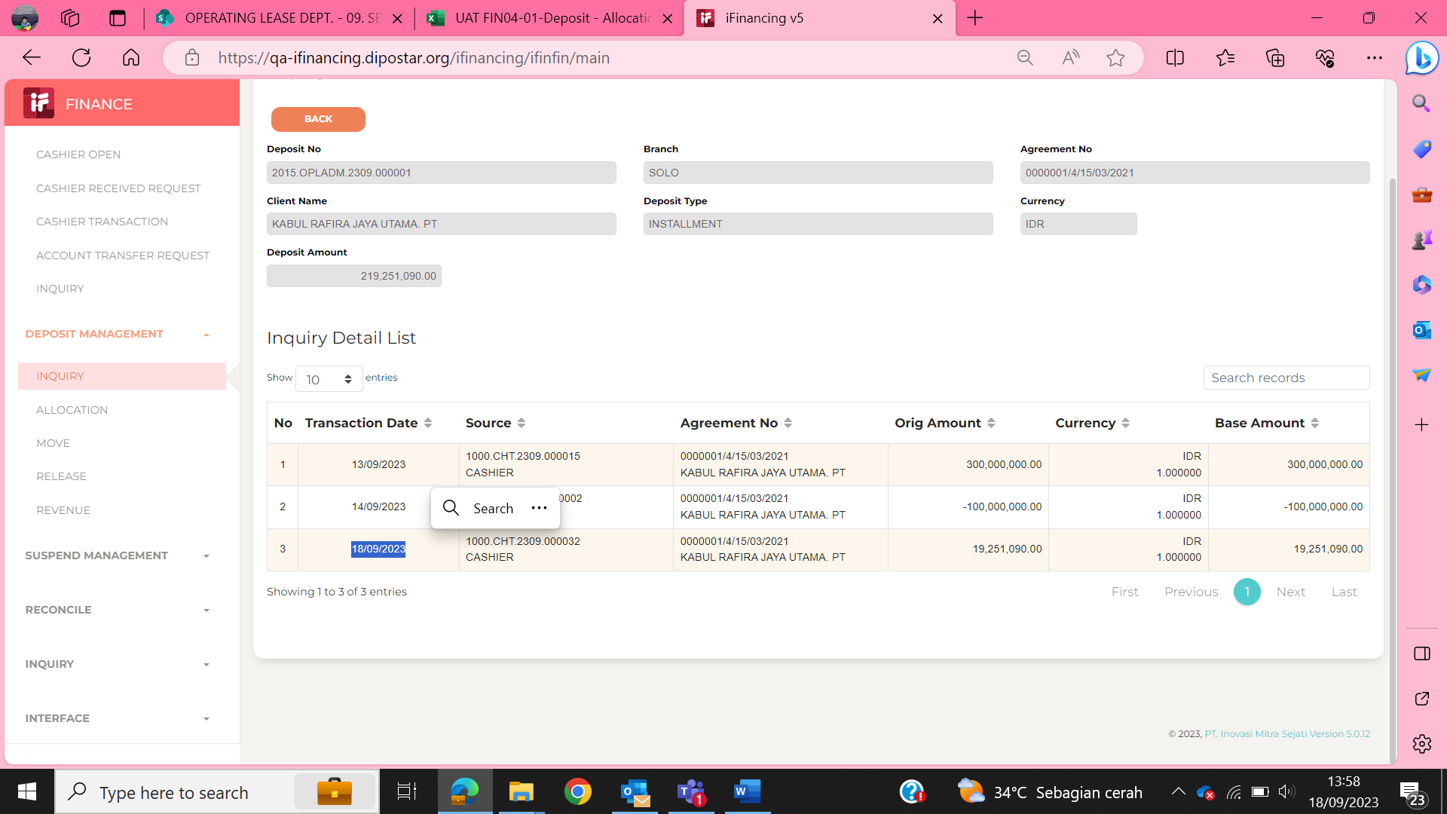
4
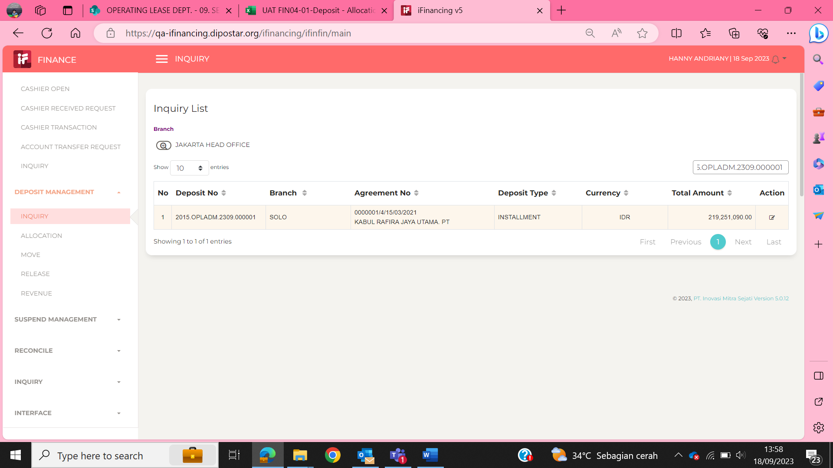

5

6

7

EVD_FIN04-01 (AA 18Sep)
Test Case ID | FIN04-01
Test Case Summary | - Lakukan Entry Allocation dari Cashier Transaction - Auto Allocation

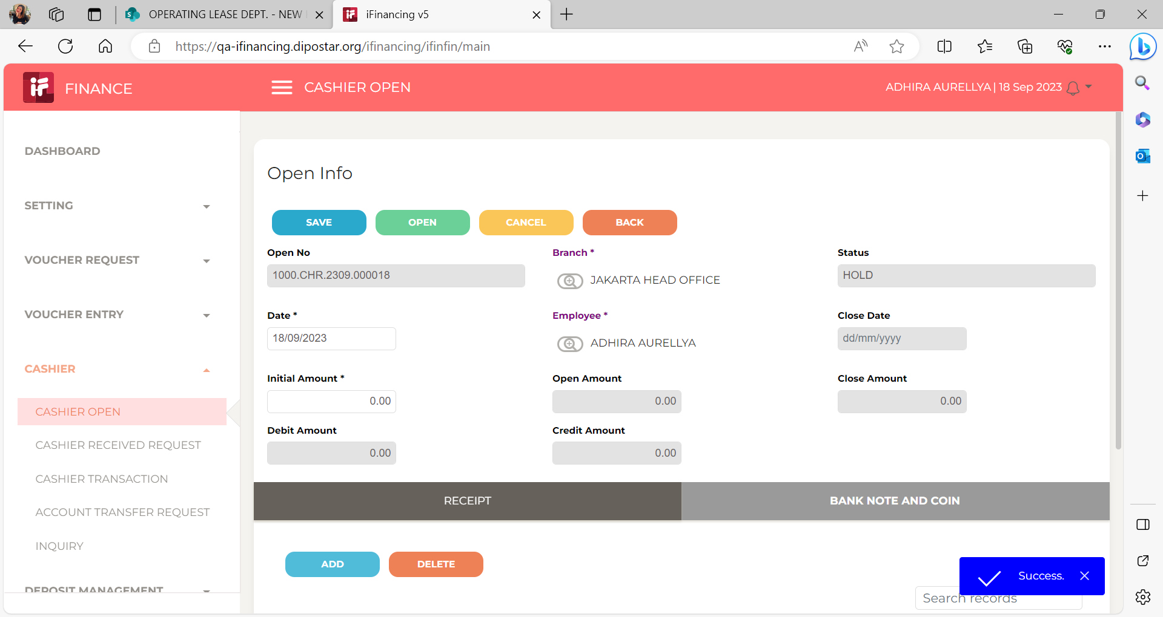
Step # | Test Evidence | Re-Test Evidence (if found Bug/Issue)
1

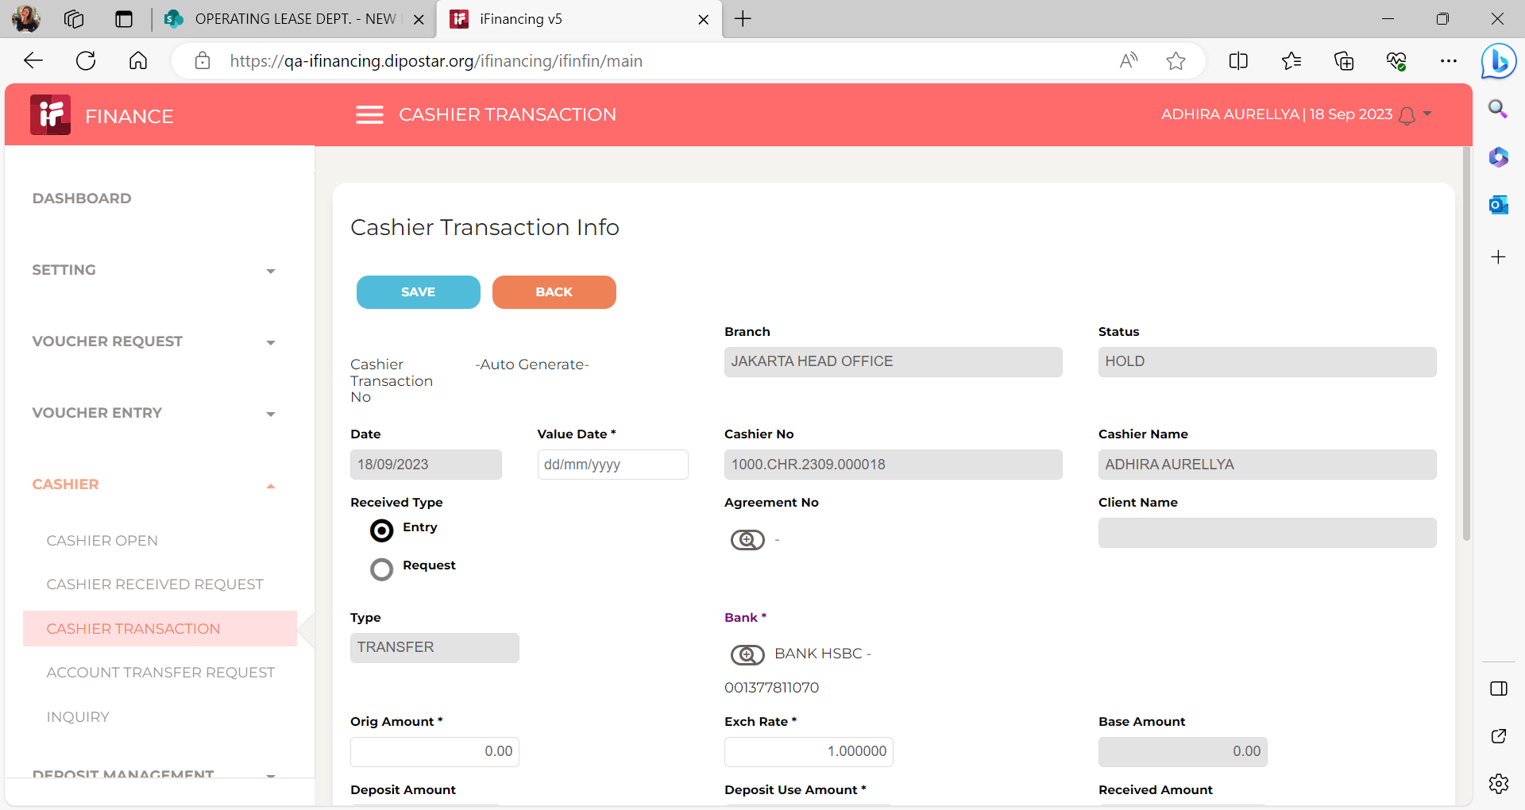

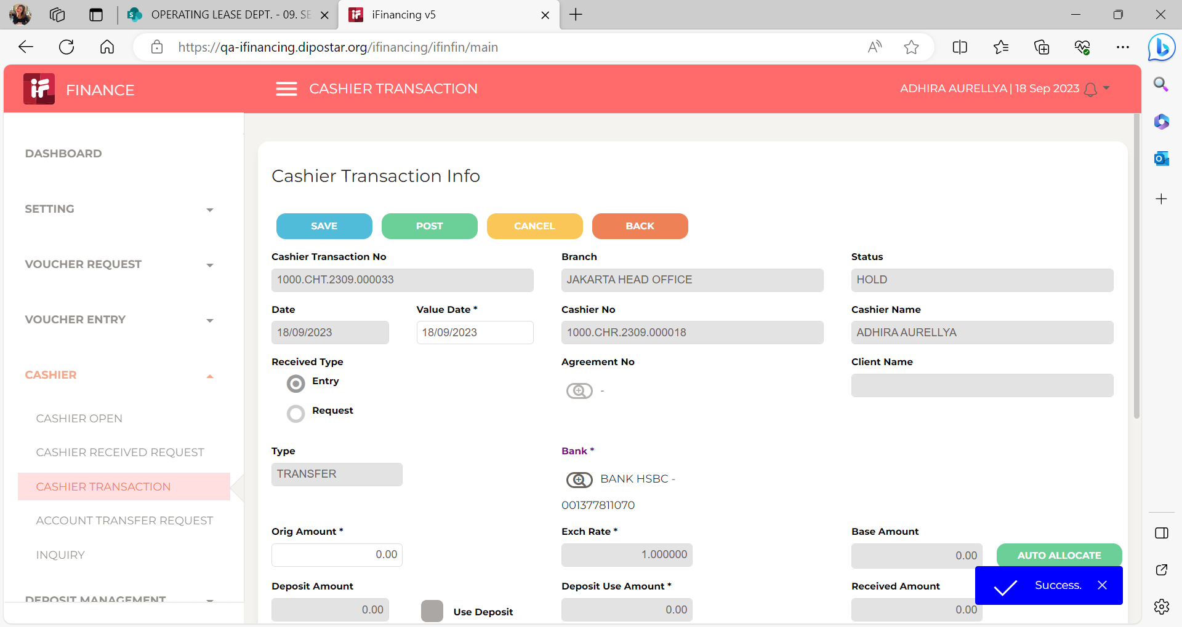
2

3

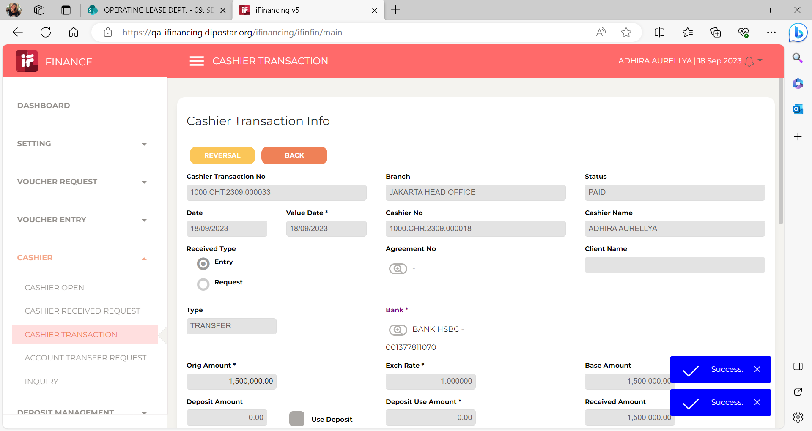

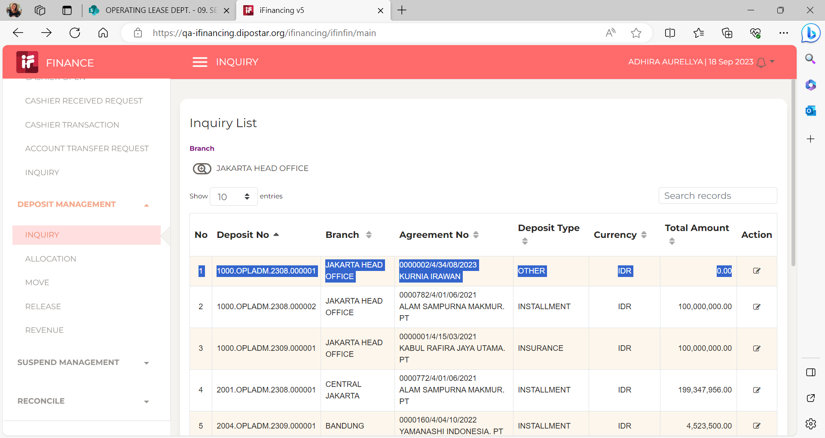
4

5

6

7

